TestSummary
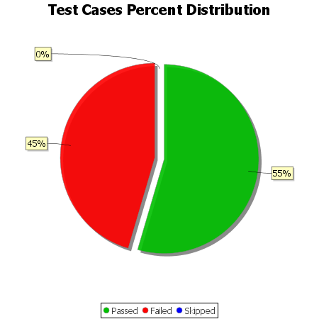
Total Test Cases | 11
Test Cases Passed | 6
Test Cases Failed | 5
Test Cases Skipped | 0

